curve
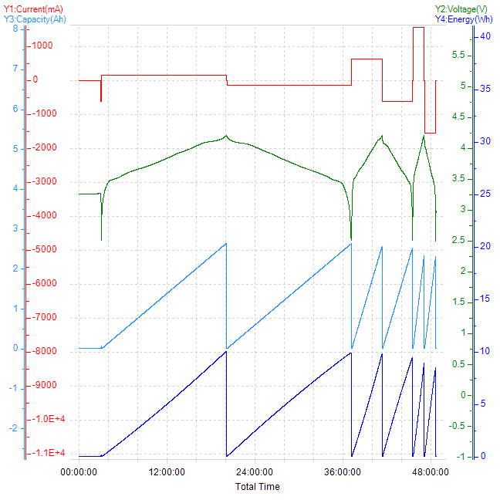
Total Time-Current&&Voltage&&Capacity&&Energy

